Sheet1
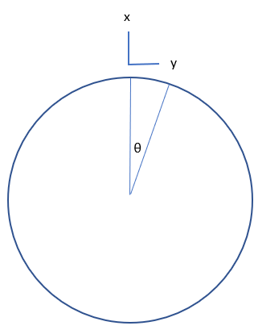
x/16 | θ (rad) | θ (deg) | x | y | delta x | delta y | delta x greater?
-8 | -1.5707963268 | -90 | -1 | 6.1257422745E-17 | -0.019214719597 | -0.19509032202 | -0.17587560242
-7 | -1.3744467859 | -78.75 | -0.9807852804 | 0.19509032202 | -0.056905747892 | -0.18759311035 | -0.13068736246
-6 | -1.1780972451 | -67.5 | -0.92387953251 | 0.38268343237 | -0.092409920209 | -0.17288680065 | -0.080476880446
-5 | -0.98174770425 | -56.25 | -0.8314696123 | 0.55557023302 | -0.12436283112 | -0.15153654817 | -0.027173717051
-4 | -0.7853981634 | -45 | -0.70710678119 | 0.70710678119 | -0.15153654817 | -0.12436283112 | 0.027173717051 | 0.17932120917
-3 | -0.58904862255 | -33.75 | -0.55557023302 | 0.8314696123 | -0.17288680065 | -0.092409920209 | 0.080476880446 | 0.46548886405
-2 | -0.3926990817 | -22.5 | -0.38268343237 | 0.92387953251 | -0.18759311035 | -0.056905747892 | 0.13068736246 | 0.69665331639
-1 | -0.19634954085 | -11.25 | -0.19509032202 | 0.9807852804 | -0.19509032202 | -0.019214719597 | 0.17587560242 | 0.90150859664
0 | 0 | 0 | 0 | 1
1 | 0.19634954085 | 11.25 | 0.19509032202 | 0.9807852804 | 0.19509032202 | -0.019214719597 | 0.17587560242 | 0.90150859664
2 | 0.3926990817 | 22.5 | 0.38268343237 | 0.92387953251 | 0.18759311035 | -0.056905747892 | 0.13068736246 | 0.69665331639
3 | 0.58904862255 | 33.75 | 0.55557023302 | 0.8314696123 | 0.17288680065 | -0.092409920209 | 0.080476880446 | 0.46548886405
4 | 0.7853981634 | 45 | 0.70710678119 | 0.70710678119 | 0.15153654817 | -0.12436283112 | 0.027173717051 | 0.17932120917
5 | 0.98174770425 | 56.25 | 0.8314696123 | 0.55557023302 | 0.12436283112 | -0.15153654817 | -0.027173717051
6 | 1.1780972451 | 67.5 | 0.92387953251 | 0.38268343237 | 0.092409920209 | -0.17288680065 | -0.080476880446
7 | 1.3744467859 | 78.75 | 0.9807852804 | 0.19509032202 | 0.056905747892 | -0.18759311035 | -0.13068736246
8 | 1.5707963268 | 90 | 1 | 6.1257422745E-17 | 0.019214719597 | -0.19509032202 | -0.17587560242

 |  |  |  |  | Experimental max angle

 |  |  |  | 0.35 | 19.840698084 | deg
 |  |  |  | 0.97

Sheet2
x

y

θ

